Sheet1
# | Title | Authors | Data Base | Journal/Conference | Year | Method | Parameters | Figures | Comments | CL & CD
1 | Computation of transonic potential flow past wing-body configurations | S. K. Chakrabartty | Springer | Acta Mechanica | 1990 | TWING code, AF2 & AF3 scheme | M= 0.9 α= 1°, M= 0.8 α= 0°, M= 0.8 α= 2° | 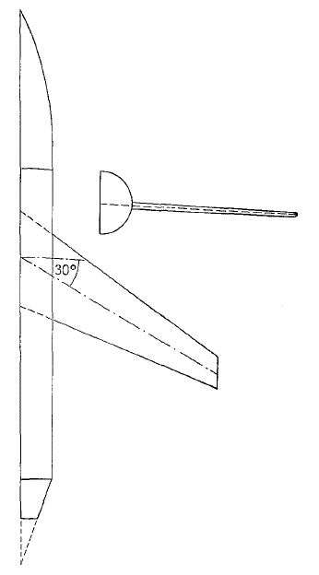 | Computed results show good agreements with available theoretical and experimental results. | 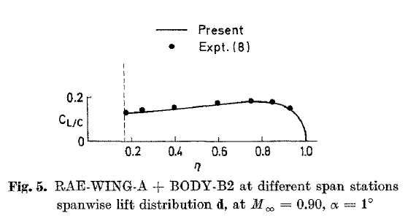 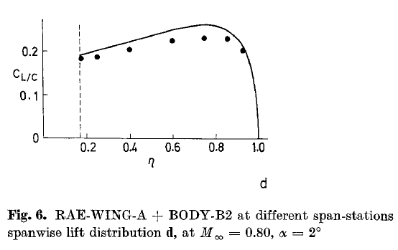
2 | Unsteady Transonic Flow Calculations for Wing/Fuselage Configurations | John T. Batina | AIAA | Journal of Aircraft | 1986 | XTRAN3S | Λ=36.65°, AR=6, TR=0.33, M= 0.9 & M=0.91 α= 1°, Δt = 0.025 - 1600 steps | 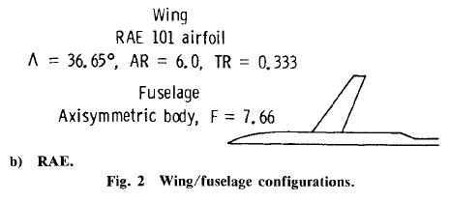  | Wing-body & Wing alone configurations compare with experimental steady-pressure data | 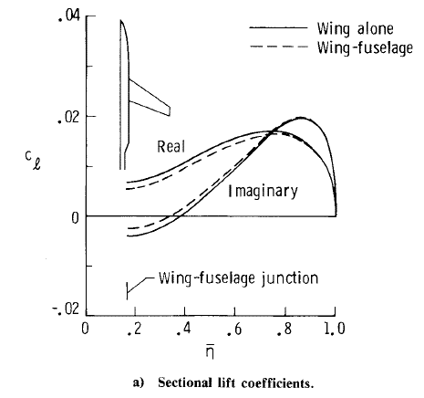
3 | Optimization of Transonic Wings with Fuselage by Real-Coded Genetic Algorithm | F. Zhang et al. | AIAA | 10th AIAA/ISSMO Multidisciplinary Analysis and Optimization Conference | 2004 | Genetic Algoritm, KTRAN | M= 0.8 α= 2° | 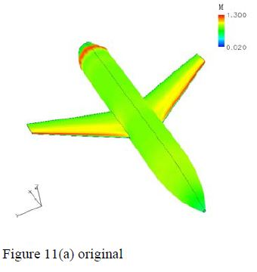 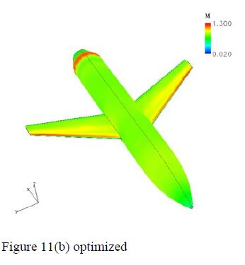 | The loss in lift owing to lower suction pressures at the leading edge is balanced through an increase in aft loading.
4 | A Fast Algorithm for the Calculation of Transonic Flow over Wing/Body Combinations | T. J. Baker & C. R. Forsey | AIAA | 5th Computational Fluid Dynamics Conference | 1981 | Approximate Factorization (AF), AF2 & AF3 | M= 0.9 α= 1°, | 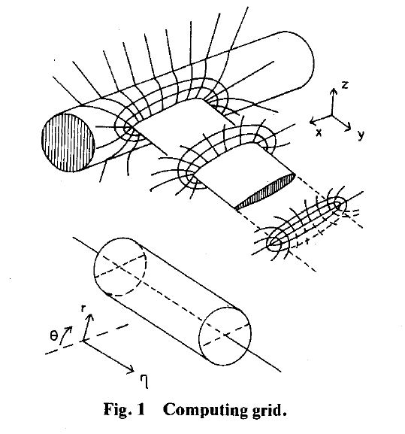 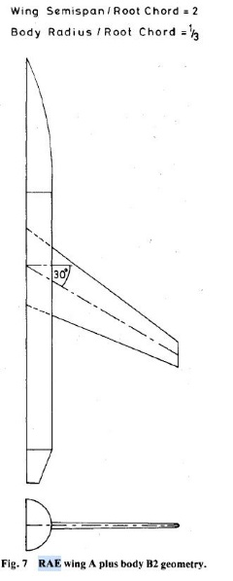 | The fast iterative techniques are much more sensitive | 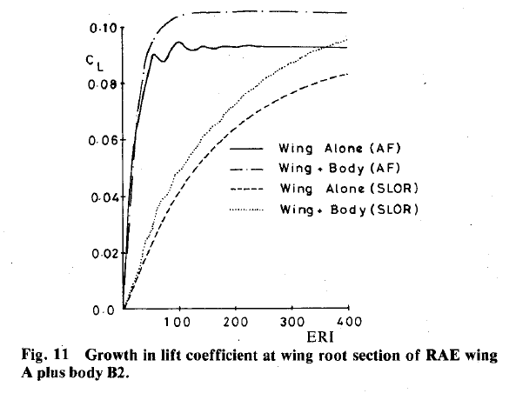
5 | Numerical Simulation for Transonic Wing-Body Configurationusing CFDs | Younghwa Kim et al. | KoreaScience | Journal of the Korean Society for Aeronautical & Space Sciences | 2017 | (k- ω, Spalart-Allmaras and k- ω SST), spatial discretization method (the central differencing scheme with Jameson's artificial viscosity and Roe's upwind differencing scheme) | M= 0.9 α= 1°, (grid dependencies, turbulence models,spatial discretization and viscosity studies) | 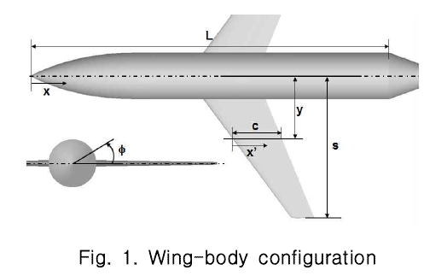 | pressure distribution and the location of the shock wave varies slightly depending on the turbulence model
6 | Unsteady Transonic Flow Simulation on a Full-Span-Wing-Body Configuration | Guru P. Guruswamy & Peter M. Goorjianf | AIAA | 19th AIAA, Fluid Dynamics, Plasma Dynamics, and Lasers Conference | 1987 | XTRAN3S - Ames | M= 0.9 α= 0°, Λ=36.65°, AR=6, | 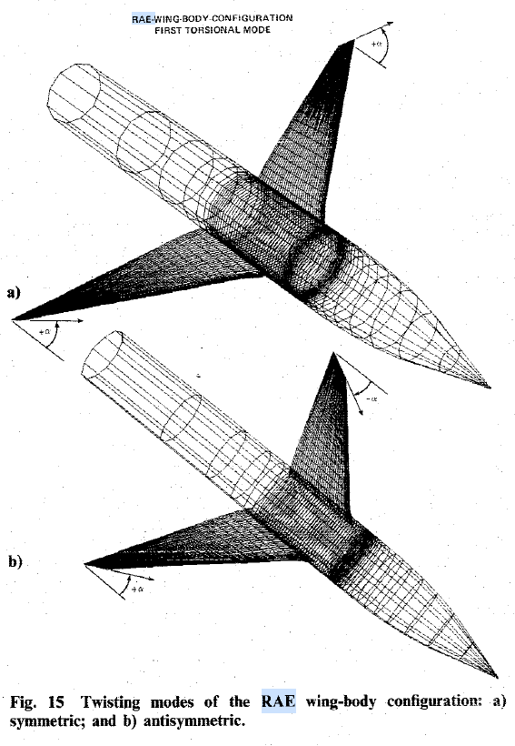 | Unsteady computations for symmetric modes compare with the available experimental data on the same wing without the body
7 | CFD Analysis of EFD-CFD Workshop Case 3using Commercial and Open Source CFD codes | Jong Rok Kim | KoreaScience | Journal of The Korean Society for Aeronautical and Space Sciences | 2017 | Star-CCM +, Fluent, CFX and SU2 | 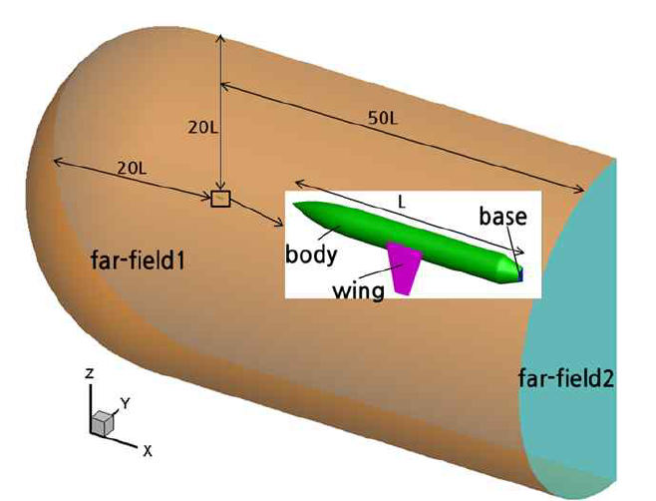 M= 0.4 α= 2°, M= 0.8 α= 2°, M= 0.9 α= 1° and 4 different grid type around wing (tiny, coarse, medium, fine) | 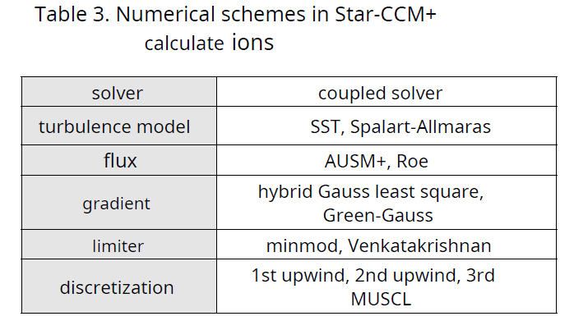 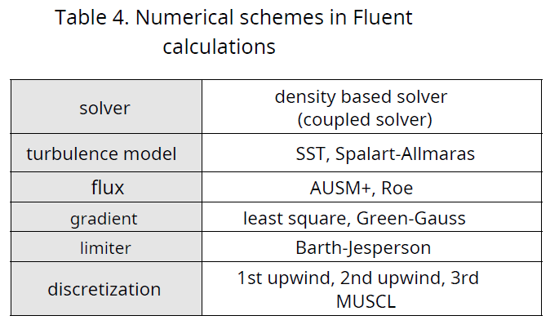 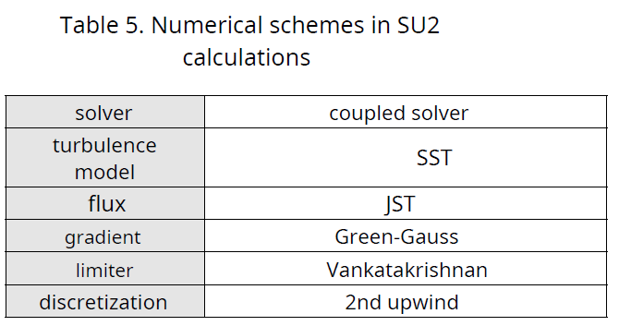 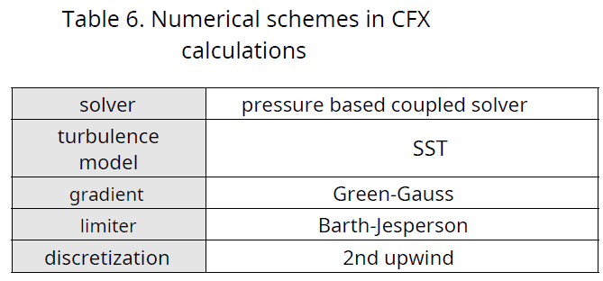 | Commercial codes take the same time to converge, open source codes SU2 took a lot of time
8 | Transonic Navier-Stokes Flow Computations over Wing-Fuselage Geometries | S. Agrawal et al. | AIAA | Journal of Aircraft | 1993 | TLNS3D, scalar dissipation model (SDM) & matrix dissipation model (MDM) | M= 0.8 α= 2°, M= 0.9 α= 1°, Re= 3e06 | 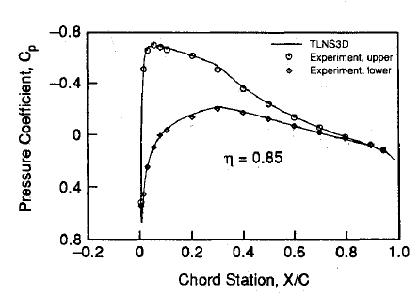 | Solutions with MDM, the pressure distributions compare quite well with experimental data, except near the nose and the wing-fuselage juncture.
9 | Approximate factorization scheme for transonic potential flow computations | S. K. Chakrabartty | Springer | Sādhanā | 1992 | AF2 scheme | M= 0.9 α= 1°, M= 0.8 α= 0°, M= 0.8 α= 2° | 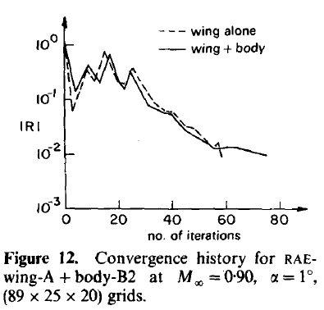 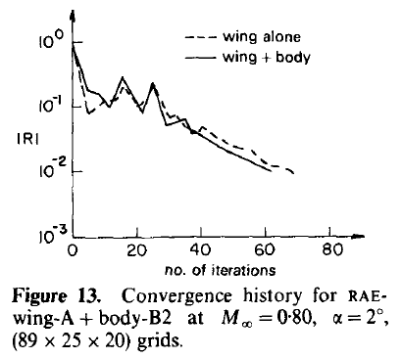 | AF2 scheme is fast, and is not sensitive to grid stretching in contrast to the AF3 scheme. AF2 scheme can give better accuracy and faster convergence if the sequence of acceleration parameters can be chosen properly with second-order accurate artificial viscosity | 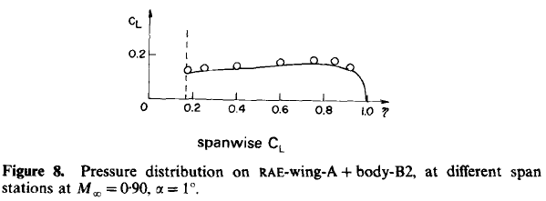
10 | Transfinite mesh generation and damped Euler equation algorithm for transonic flow around wing-body configurations | A. Rizzi & L.E. Eriksson | AIAA | 5th Computational Fluid Dynamics Conference | 1981 | Transfinite interpolation is used to construct mesh networks & an explicit time-marching finite-volume procedure solves the flow equations and features a non-reflecting farfield boundary condition | M= 0.9 α= 1°, M= 1.1 α= 1°, | 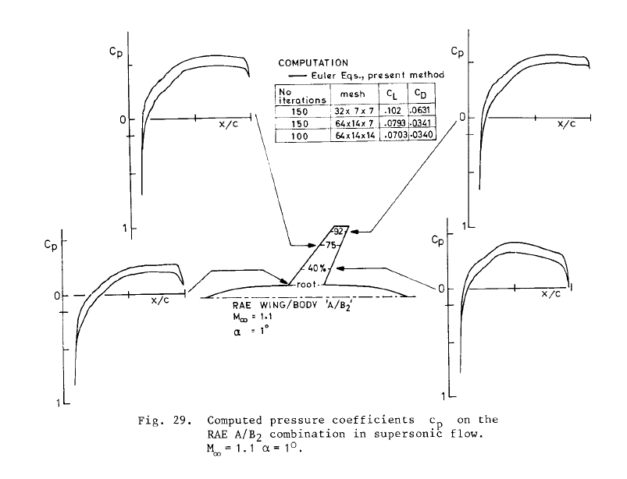 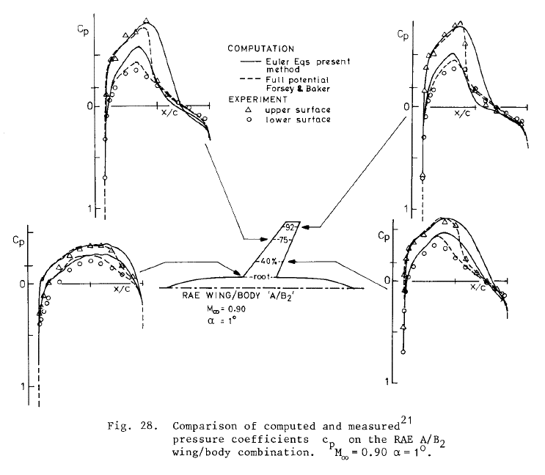 | 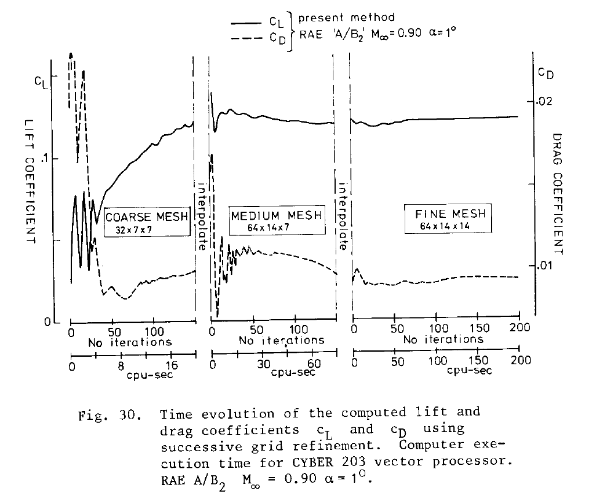 numerical The goal in the development of numerical procedure in application to flow around wing/body combinations has been to increase its convergence rate
Y.H., Kim, H.G., Ahn, “Numerical simulation of transonic wing-body configuration using CFD”, Proceedings of KSAS 2015 Fall conference, Nov., 2015., pp.19.
J.R., Kim, “CFD Analysis of RAE A Wing with Axis-symmetric body using Fluent”, Proceedings of KSAS 2015 Fall conference, Nov., 2015., pp.20-21.
B. Koenig, E. Fares, S.J. Byun, “Transonic lattice-Boltzmann Simulations of the RAE Wing A”, Proceedings of KSAS 2015 Fall conference, Nov., 2015., pp. 18.
K.R., Kim, J.H. Sah, S.H., Park, K.W., Jo,“A numerical study on surface pressure distribution over the RAE-A wing-body configuration with Mach number”, Proceedings of KSAS 2015 Fall conference, Nov., 2015., pp.16.
Y.H., Choi, E.S., Kim, C., Kim, “Effects of numerical flux, limiter and grid density on the aerodynamic analysis of 3-dimensional transonic flight vehicle”, Proceedings of KSAS 2015 Fall conference, Nov., 2015., pp. 15.
S.K., Choi, Y.J., Jang, S.S., Lee, “Influence of turbulence models and grid density on flow analysis of aircraft at subsonic and transonic speeds“, Proceedings of KSAS 2015 Fall conference, Nov., 2015., pp.14.
J.S., Han, S.M., Jung, O.J., Kwon, “EFD-CFD Mutual validation using CFD solver based on unstructured mesh developed at KAIST”, Proceedings of KSAS 2015 Fall conference, Nov., 2015., pp.17.
11 | EFD-CFD workshop : CASE 3 CFD for transonic flow regime | Yeongbin Lee et al. | KoreaScience | The Korean Society for Aeronautical and Space Sciences | 2017 |  | M= 0.4 α= 0, M= 0.8 α= 0°, M= 0.9 α= 0°
12 | A multi-layered point reordering study of GPU-based meshless method for compressible flow simulations | Cheng et al. | ScienceDirect | Journal of Computational Science, Volume 33, p. 45-60 | 2019 | Multi-layered point reordering (MLPRO) approach (GPU-based meshless method) - GML solver is compiled with PGI visual Fortran | M= 0.9 α= 1° - Meshless cloud with 1,051,315 points irregularly distributed in the domain and 23,017 points on the solid wall | 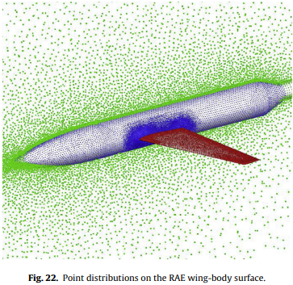 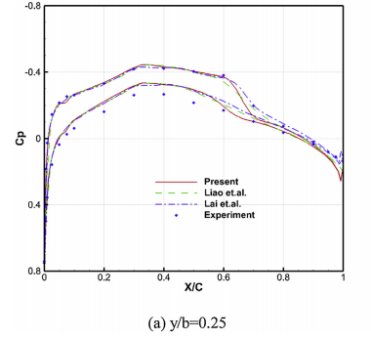 | cp distributions at 2 spanwise stations (y/b = 0.25, 0.60) are plotted against experimental data (AGARD AR-138) and inviscid calculations. The algorithms of MLPRO approach results in significant speedups in GPU times and are worth to be used for 3D real applications as large-scale of irregular meshless clouds of points are often required for accommodating complex aerodynamic geometries
13 | Euler calculations with embedded Cartesian grids and small-perturbation boundary conditions | Liao et. al. | ScienceDirect | Journal of Computational Physics. Volume 229, Issue 9. p. 3523-3542 | 2010 | 3D Cartesian Euler solver using the method of gridless boundary implementation & multigrid solution is made via a framework of embedded grids for local grid refinement. | Steady flow of M= 0.9 at α= 1° | 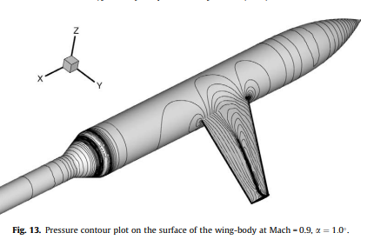 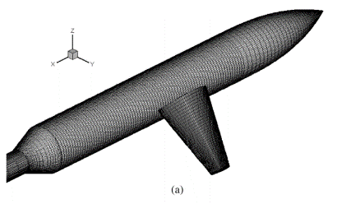 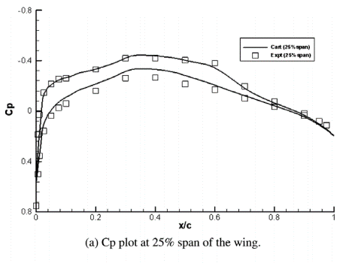 | Fast convergence is observed because of the embedded multigrid strategy. The maximum residual reduces by around 6 orders of magnitude in less than 200 iterations on the finest grids
14 | Application of an Euler Code on a Modern Combat Aircraft Configuration | Singh et. Al. | Springer | Fourteenth International Conference on Numerical Methods in Fluid Dynamics pp 535-539, Lecture Notes in Physics, vol 453. | 1995 | Time-marching Euler code AMES (Aircraft Multi-block Euler Solver) based on Jameson's finite volume method (A. Jameson (1981)), 3d grids are generated with -GEMS (Grids using Elliptic multi-block solver). | M = 0.9, AOA = 0 ° , three spanwise stations |  | AMES code is validated and pressure distribution compares well with the experimental data
15 | A parallel viscous flow solver on multi-block overset grids | Cai et. Al. | ScienceDirect | Volume 35, Issue 10, p. 1290-1301 | 2006 | A multi-block overset grid method (3 layers of grids are used with body-conforming grids in the final layer) resulting over 1.6 million grid points & collar grids at the wing-body junction | Turbulent flow of M= 0.9 at α= 1° (Re=3e06 at semi-span) | 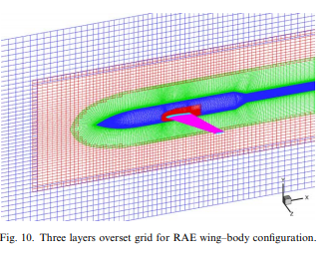 | The overall agreement of the turbulent computation with the experimental data is good. The shock location and strength are well captured
16 | Inverse wing design in transonic flow including viscous interaction | Carlson et. Al. | NTRS | Transonic Symposium | 1989 | direct-inverse curvilinear coordinate system TAW5D code & the stretched Cartesian grid direct-inverse ZEBRA method | RAE Wing Body "A" , M = 0.8, AOA = 2 ° , Λ (L.E.)=37°, AR=5.5, Taper ratio = 0.375 | 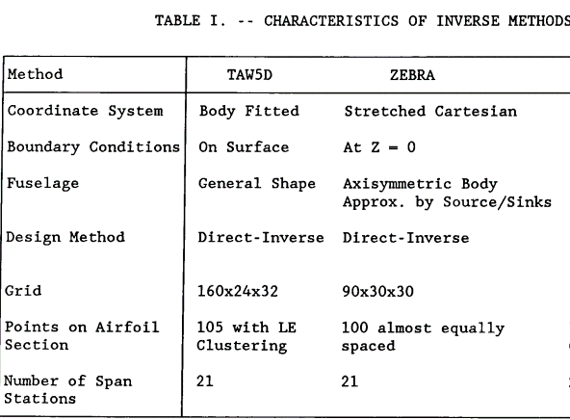 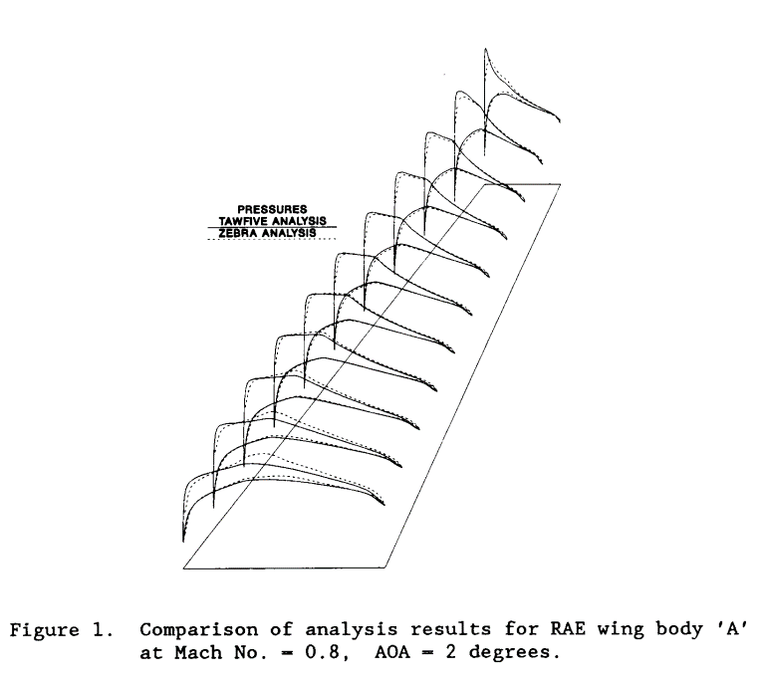 | Near the root, ZEBRA predicts a greater fuselage effect (the flow is more accelerated on the upper surface), while outboard, the leading-edge grid clustering in TAW5D results in better resolution of the leading-edge region and minimum pressure peak. between 30 and 70% span the two methods are in reasonable agreement
17 | Transonic Computations About Complex Configurations Using Coupled Inner and Outer Flow Equations | Navert & Sedin | AIAA | Journal of Aircraft. Volume 25, No 8 | 1988 | transonic small perturbation (TSP) formulation on Cartesian grids for transonic flow | M= 0.9 α= 1°& resolution power at the nose of the body=5, at the body-sting junction=5, at the wing root leading edge=4, and at the wing tip leading edge=00.04, resulting in 927.000 points in the finest grid | 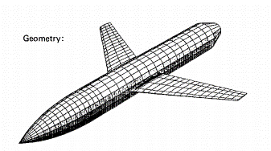 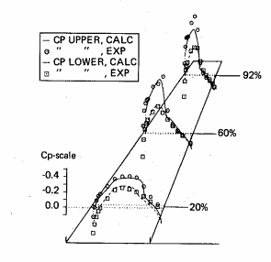 | suction peaks on the body surface induced by the presence of the wing are remarkably accurate. In the domain just upstream of the wing, the increase in pressure due to flow stagnation is underpredicted. The agreement between computations and experiments is good and the shock is in its right position. At the wing tip, the suction peak is underpredicted due to an insufficient resolution power of the grid in this region but a disagreement exists at the trailing edge close to the body
18 | Numerical Investigation of Transonic Flow over the Release of a Store from a Delta Wing | Yang et. Al. | - | Asia‐Pacific International Symposium on Aerospace Technology | 2010 | 3D unsteady Euler equations are solved using a cell-centered finite volume algorithm with the Roe’s approximate Riemann solver in the Cartesian coordinate system. 2nd order spatial accuracy with minmod limiter & 1st order implicit time marching Jacobi-point iterative scheme are utilized | RAE Wing Body A : Λ (L.E.)=37°, Λ (T.E.)=22.34°, AR=6, Taper ratio = 1/3, M= 0.8 at α= 0°, 637378 computational cells are generated on unstructured tetrahedral mesh | 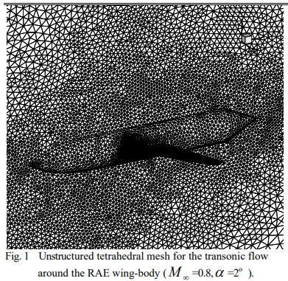 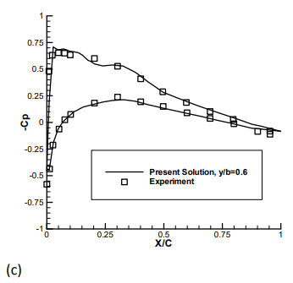 | Comoparing the cp values, the satisfactory agreement between the solver and experimental data is demonstrated. The value of pressure coefficient of the lower and upper surfaces decreases from the leading edge portion and reaches its minimum at the position of approximately 30% and 6% of chord respectively
19 | A Potential Based Panel Method for the Analysis of Marine Propellers in Steady Flow | Lee, J.T. | MIT | PHD Thesis | 1987 | Surface panel method | RAE 101 t/c=0.09, mid-chord sweep=30deg, Re=1e-06 based on mean chord, M=0.4, α= 1°&2°, each wing has 11 strips with 20 upper &lower surface panels, fuselage cross section panelling is equally spaced, with each panel having arcs of 30 degrees | 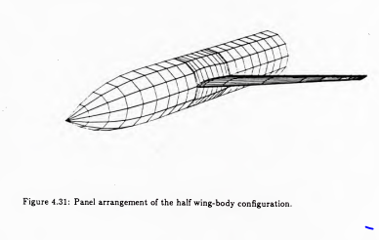 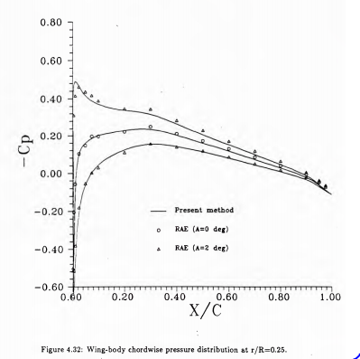 | Calculated pressure distributions around the wing-body onfiguration are in excellent agreement with the experimental data.

